1 - quantity_age
First Registrations of used Passenger Cars in Poland, 2024 - 2025 PZPM based on data from Centralna Ewidencja Pojazdow

 | Jan | Feb | Mar | Apr | May | Jun | Jul | Aug | Sep | Oct | Nov | Dec | Total
2024 | 66,186 | 72,408 | 77,918 | 79,087 | 72,082 | 71,814 | 79,987 | 72,310 | 74,241 | 84,992 | 66,966 | 64,519 | 882,510
2025 | 69,287 | 69,649 | 77,652 | 79,122 | 72,653 | 69,240 | 78,331 | 66,914 | 73,773 | 77,057 |  |  | 733,678
%change y/y | 4.7% | -3.8% | -0.3% | 0.0% | 0.8% | -3.6% | -2.1% | -7.5% | -0.6% | -9.3% |  |  | -2.3%
First Registrations of Used PC in Poland 2024 - 2025
 | 2024 | 2025
Jan | 66186 | 69287
Feb | 72408 | 69649
Mar | 77918 | 77652
Apr | 79087 | 79122
May | 72082 | 72653
Jun | 71814 | 69240
Jul | 79987 | 78331
Aug | 72310 | 66914
Sep | 74241 | 73773
Oct | 84992 | 77057
Nov | 66966
Dec | 64519
 |  |  |  |  |  |  |  |  | Age Structure Jan-Oct 2025
 |  |  |  |  |  |  |  |  |  | Number of vehicles | Share %
 |  |  |  |  |  |  |  |  | <=4 years | 77,317 | 10.5%
 |  |  |  |  |  |  |  |  | >4 years & <=10 years | 257,198 | 35.1%
 |  |  |  |  |  |  |  |  | >10 years | 399,162 | 54.4%
 |  |  |  |  |  |  |  |  | Total | 733,677 | 100.0%
First Registrations of Used Vehicles in year 2025 - age structure

source: PZPM based on CEP

2 - EURO_fuel
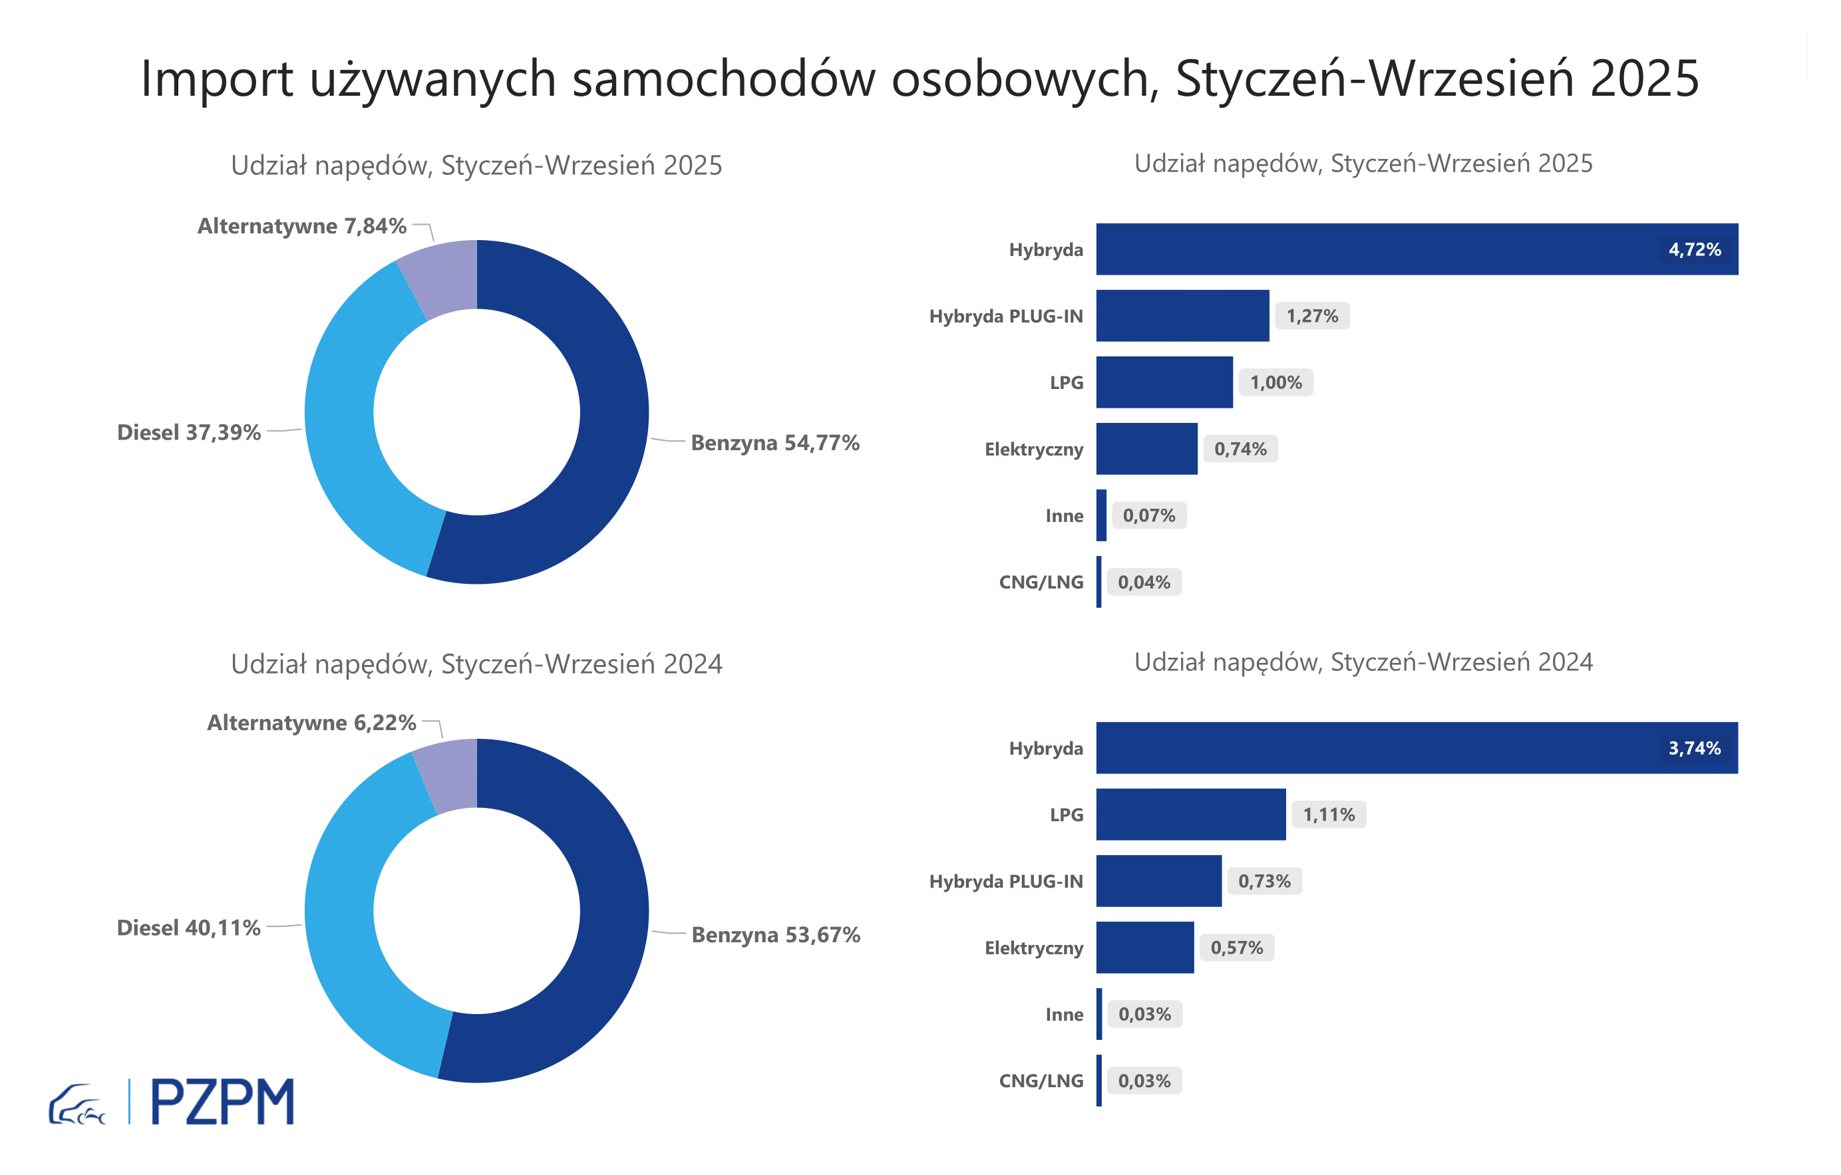
First Registrations of Used Passenger Cars by Fuel Type
Fuel Type | January-October 2024 |  | January-October 2025 |  | Volume Change y/y | Market Share Change y/y
 | thousand units | share % | thousand units | share %
Petrol | 403,6 | 53.7% | 402,7 | 54.9% | -0.2% | +1,1 pp
Diesel | 300,0 | 40.0% | 273,2 | 37.2% | -9.0% | -2,7 pp
AFV / Others | 47,3 | 6.3% | 57,8 | 7.9% | 22.1% | +1,6 pp
including:
Electric | 4.4 | 0.6% | 5.5 | 0.7% | 25.0% | +0,2 pp
Hybrid | 28.5 | 3.8% | 34.7 | 4.7% | 21.7% | +0,9 pp
Hybrid Plug-In | 5.7 | 0.8% | 9.6 | 1.3% | 67.0% | +0,5 pp
LPG | 8.3 | 1.1% | 7.4 | 1.0% | -10.6% | -0,1 pp
CNG/LNG | 0.2 | 0.0% | 0.3 | 0.0% | 8.7% | +0,0 pp
Others / N.A. | 0.3 | 0.0% | 0.5 | 0.1% | 93.6% | +0,0 pp

3 - TOP_brands
First registrations - used passenger cars imported to Poland - TOP 10 in 2025
First registrations of used passenger cars in Poland*
No.** | Make | January-October 2024 | January-October 2025 | Change % r/r
1 | VOLKSWAGEN | 74,193 | 69,190 | -6.7%
2 | FORD | 71,111 | 68,074 | -4.3%
3 | OPEL | 67,900 | 64,278 | -5.3%
4 | AUDI | 61,113 | 55,115 | -9.8%
5 | BMW | 47,976 | 46,148 | -3.8%
6 | MERCEDES-BENZ | 35,939 | 38,066 | 5.9%
7 | PEUGEOT | 34,675 | 35,793 | 3.2%
8 | HYUNDAI | 32,813 | 34,706 | 5.8%
9 | RENAULT | 34,736 | 31,886 | -8.2%
10 | TOYOTA | 28,891 | 27,059 | -6.3%
* source: PZPM based on CEP
** based on registrations in 2025

